1. Start
Is SmartBackup for you? | © AcuWorkflow 2021 - https://www.acuworkflow.com
Herewith a sample Requirements sheet for comparison or to evaluate SmartBackup | more info
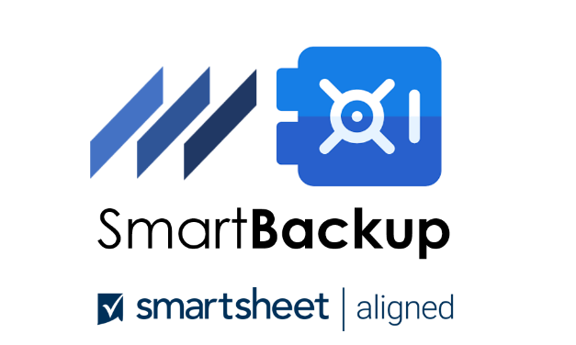 | Disclaimer | This software is provided "as-is," without any express or implied warranty. In no event shall the author be held liable for any damages arising from the use of this software.

Let's go >

2. Guidance
Next step
Name of the solution you want to compare against?
4
Use it as part of your due diligence process or even Business Case to motivate for a Backup solution in support of Smartsheet
3
For each Requirement rate it by clicking on the dropdowns for SmartBackup and your chosen compare-to Backup Solution
2
Are you comparing SmartBackup to the native backup facilities within Smartsheet or a 3RD party Backup solution?
1
Some guidance:
Compare SmartBackup against SmartSheet
EVALUATE & COMPARE
By default an attempt was made to compare SmartBackup with the inherent Backup facilities within SmartSheet

CHECK THIS OUT
Please feel free to rate it differently according to your view and circumstances
That's just another way to quickly see what is really important for you.

 | d) Meet
IMPORTANT DETAIL
Even if you are not doing a comparison evaluation, it is good to see which features within SmartBackup is important for you. That way it's easily seen, can be exploited and not hidden inside the documentation.

 | SmartSheet

Headlines
Latest stable Version is V3.1 with the following features (** not available from Smartsheet):
a. Multi-Tenant - Can take backups of all, groups-of or any Smartsheet User
b. ** Make exact backup copy - Preserve Formulas, Automations, Cell Links, Conditional Formatting, Customizations, Attachments
c. ** Mitigate Catastrophic Failures - A complete User Space can be exported to a local drive. Maintains the original folder tree hierarchy.
d. ** Reduce cost - option to only backup sheets that have recently changed, instead of making unnecessary copies
e. ** Enterprise Smartsheet Insurance – Cater for Data Loss, Data Corruption, Malicious intent etc. via comprehensive Platform – backup (copy within Smartsheet to Vault area), archiving (drain Vault to external), and export(create external near-like copy)
f. ** Part of the family – Can co-exist or integrate into Enterprise toolset such as other Systems Management Tools by running headless

4. Results
Meet Requirements
Below needs
Above needs
 | SmartBackup | Perfection | SmartSheet
Data Protection | 21 | 24 | 4
Data Lifecycle | 22 | 24 | 5
Data Management | 20 | 24 | 13
Data Operations | 21 | 24 | 6
Additional Requirements | 0 |  | 0

Ideal fit

SmartBackup |  | SmartSheet
88% | vs | 29%

